UNIT
Unit Inventory Form
 | Accommodation Data Entry Form |  |  | Unit | More than one room sold together as a single rental space
 |  |  |  | Unit Names/Numbers | The name or number given to the unit being sold
 | Accommodation Name: |  |  | Number of Rooms per Unit | The number of rooms within the unit being sold

 | Contact Person: |  | Phone No: | Number of Beds per Unit | The total number of beds within the unit being sold

 | Email Address: |  |  | ***NB: | If a room from the unit can be sold independently it will also need to be listed in the room inventory form.

 | Unit Names/Numbers | Number of Rooms per Unit | Number of Beds per Unit | **Example 1:
1 |  |  |  | An accommodation has 11 units.
2 |  |  |  | Units 100-105,110 - each unit has 2 rooms and 2 beds
3 |  |  |  | Units 106-108 - each unit has 3 rooms and 3 beds
4 |  |  |  | Unit 109 - this unit has 3 rooms and 4 beds
5 |  |  |  | These Units will be reported as shown below.
6
7
8
9
10
11
12
13
14
15
16
17
18
19
20
21
22
23
24
25
26 |  |  |  | **Example 2:
27 |  |  |  | An accommodation has five (5) units.
28 |  |  |  | Unit Jaguar - this unit has 2 rooms and 3 beds
29 |  |  |  | Units Tapir - this unit has 3 rooms and 3 beds
30 |  |  |  | Unit Toucan - this unit has 3 rooms and 4 beds
31 |  |  |  | Unit Orchid - this unit has 2 rooms and 2 beds
32 |  |  |  | Unit Mahogany - this unit has 2 rooms and 3 beds
33 |  |  |  | The rooms in Units Orchid and Mahogany can be individually sold. Orchid can be sold as Orchid A and Orchid B and Mahogany can be sold as Mahogany A and Mahogany B.
34
35
36 |  |  |  | These Units will be reported in both unit and room forms as shown below.
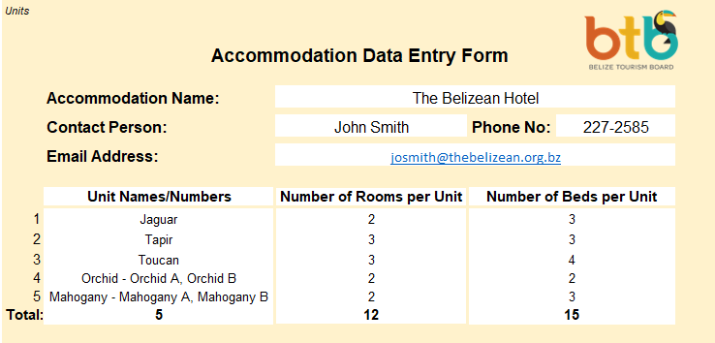
37
38
39
40
41
42
43
44
45
46
47
48
49
50
51
52 |  |  |  | Unit Inventory Form
53
54
55
56
57
58
59
60
61
62
63
64
65
66
67
68
69 |  |  |  | Room Inventory Form
70
71 |  |  |  | Common classifications of accommodations for units: |  | Apartment/; studio
72 |  |  |  |  |  | Condominium
73 |  |  |  |  |  | Lodge
74 |  |  |  |  |  | Vacation Home rentals
75 |  |  |  |  |  | Cabin/ Cabanas
Total: | 0 | 0 | 0

